Sheet1
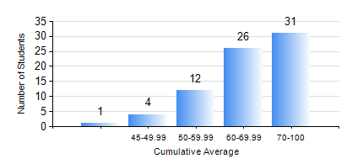
 |  |  | KWAME NKRUMAH UNIVERSITY OF SCIENCE AND TECHNOLOGY, KUMASI Department of Computer Engineering

 |  |  | BSC. BIOMEDICAL ENG.

 |  |  | COMPREHENSIVE RECORD OF EXAMINATION RESULTS

 |  |  | RESULTS OF YEAR 4 SECOND SEMESTER, 2023/2024 ACADEMIC YEAR

 | Sn | Course Code |  | Course Name | Credit Hours | Min. Mark | Max. Mark | Avg. Mark | Std. Dev. | No. Passed | No. Trailed | No. (Df) | No. (I) | No. (I*) | No. Tagged(I,I*,Df) | Total
 | 0. |  |  |  |  |  |  | 0 | 0 | 0 | 0 | 0 | 0 | 0 | 0 | 4
 | 1. | BME 454 |  | MEDICAL DEVICE REGULATION | 3 | 40 | 95 | 77 | 11.73 | 68 | 0 | 0 | 2 | 0 | 2 | 70
 | 2. | BME 462 |  | BIOMECHANICS II | 3 | 40 | 85 | 61 | 13.25 | 68 | 0 | 0 | 2 | 0 | 2 | 70
 | 3. | BME 498 |  | PROJECT II | 5 | 56 | 90 | 80 | 6.22 | 70 | 0 | 0 | 0 | 0 | 0 | 70
 | 4. | COE 472 |  | DIGITAL SIGNAL PROCESSING | 3 | 40 | 83 | 69 | 10.33 | 70 | 0 | 0 | 0 | 0 | 0 | 70
 | 5. | COE 486 |  | INTRODUCTION TO VLSI | 3 | 56 | 73 | 64 | 12.02 | 2 | 0 | 0 | 0 | 0 | 0 | 2
 | 6. | ME 492 |  | ENTREPRENEURSHIP DEVELOPMENT | 2 | 40 | 76 | 64 | 7.62 | 70 | 0 | 0 | 0 | 0 | 0 | 70

